1. Title Page
Analysis

Project Name: Instacart Data Analysis
Date:05/03/2023
Analyst Name: Ankit Kumar

Contents:
Population Flow
Consistency checks
Wrangling steps
Column derivations
Visualizations
Recommendations

2. Population Flow
Title page

Population flow

Exclusion flag
Condition: max_order <
Obervations to be removed:
Final total count of order_products_all:

Orders_products_combined
Orders_products_merged
Orders_products_all

Total: 32,404,859
Total: 32,434,489
Total: 32,404,859

1.) The grey boxes in the first row of the population flow represent the original data sets as they were when you downloaded them. In the Total fields you need to add the count of the rows when you imported the data set into Jupyter.
2.) The second row of boxes (coloured) represents the data sets after you manipulated them, e.g., removed missing values and duplicates. In the Total fields you need to add the count of the rows after conducting these operations. This offers a visual oveview of how the data flows throughout the data consistency checks.
3.) The third row, where also the arrows are coloured, represents the merges you performed between the datasets. In the Total fields you need to add the count of the rows in the merged datasets, so that you end up with the final dataset (in the red box). Keep in mind the final dataset should be without exclusions (based on the exclusion flag).

3. Consistency checks
 |  |  |  | Title page
Consistency checks

Dataset | Missing values | Missing values treatment | Duplicates
orders | there were around 20,000 missing values for order name and were left alone | left alone and already had a flag (order number1) | no duplicates were found
products | Product_name | filtered them out and removed them | 5 duplicates were found and dropped
orders_products_prior | No values missing |  | No duplicates
customers | No values missing |  | No duplicates

4. Wrangling steps
 |  |  |  | Title page
Wrangling steps

Columns dropped | Columns renamed | Columns' type changed | Comment/Reason
_merge |  |  | was getting in the way of merging
unnamed: 1 |  |  | Unneccesary
unnamed: 0 |  |  | Unneccesary
 | order_dow
 | STATE |  | changed to State
 | AGE |  | changed to Age
 | n_dependants |  | changed to dependants
 |  | order_id | changed to string
 |  | user_id | changed to string

5. Column derivations
 |  |  |  | Title page

Column derivations and aggregations

In this tab you should add tables below that the frequences of flags/label variables that you produced after deriving them. NB: don't do this for continuous variables, only for flags.
Dataset | New column | Column/s it was derived from | Conditions
ords_prods_merge | busiest_period_of_day | hour_of_day | if value == 10: result2.append("Most orders") elif value == 3: result2.append("Fewest orders") else: result2.append("Average orders")
ords_prods_merge | busiest_days | order_dow | for value in ords_prods_merge["order_dow"]: if value == 0: results.append("Busiest days") elif value == 1: results.append("Busiest days") elif value == 3: results.append("Least busy days") elif value == 4: results.append("Least busy days") else: results.append("Regularly busy")
df = ords_prods_merge[:1000000] | price_range_loc | prices | df.loc[df['prices'] > 15, 'price_range_loc'] = 'High-range product' df.loc[df['prices'] <= 5, 'price_range_loc'] = 'Low-range product' df.loc[(df['prices'] <= 15) & (df['prices'] > 5), 'price_range_loc'] = 'Mid-range product'
df = ords_prods_merge[:1000000] | price_range | prices | if row['prices'] <= 5: return 'Low-range product' elif (row['prices'] > 5) and (row['prices'] <= 15): return 'Mid-range product' elif row['prices'] > 15: return 'High range' else: return 'Not enough data'

6. Visualizations
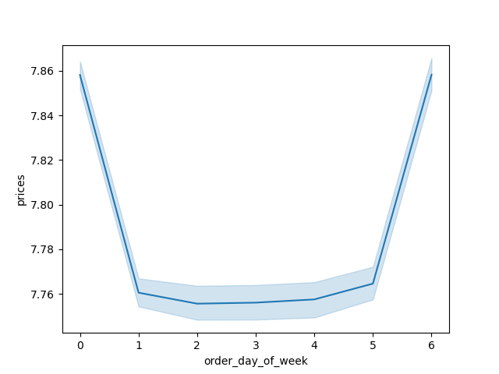
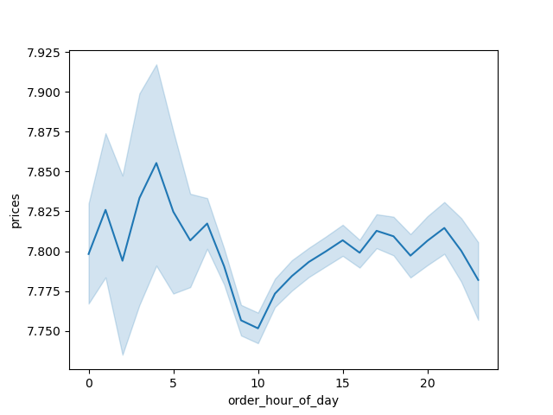
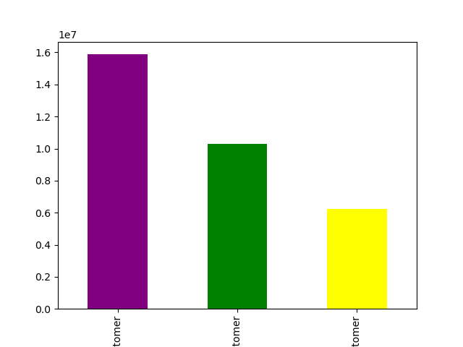
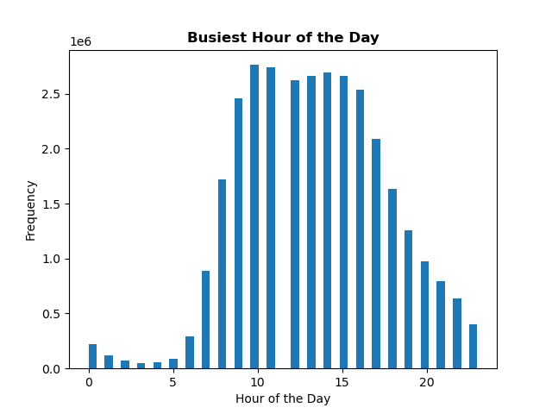

Title page

Visualisations

In this tab you should include all the visualtions from Exercises 4.9 and 4.10, alongside the questions from the project brief that they answer. Include any commentary on the relationship between different variables.

7. Recommendations
 |  |  | Title page

Recommendations

In this tab you should include any recommendations you would made to Instcart in terms of their marketing strategy based on the questions posed in the brief. Every key question has been covered in the Tasks of the Exercises - here you need to add an item - a visualisation or table/crosstable that is showing the answer in the data, acompanied by a comment from you. Please, list the questions below and add the answer underneath.

Questions | Answer | More Recommendation
Which days and times have the highest and lowest number of orders, and how can this information be used to schedule ads more effectively? | Peak times for placing orders are 10am-11am, with a decline starting around 3pm. Saturday and Sunday have the highest number of orders, while Tuesday and Wednesday have the lowest. | Schedule ads on Tuesday and Wednesday after 3pm to incentivize customers to place orders during slower times.
Are there particular times of day when customers spend more money, and how can this be used to inform product advertising? | Customers tend to spend more money on higher-priced items around 4pm, but the busiest hour in terms of price is 11am. | Advertise higher-priced items during 4pm to target customers who tend to spend more on those items.
Can product price ranges be simplified for marketing and sales efforts? | Most customers fall into the "Low Spender" category, with only a small percentage in the "High Spender" grouping. | Focus on advertising higher-priced items to increase revenue in the "High Spender" category.
Which departments have the highest frequency of orders, and how can this inform advertising efforts? | The most frequently ordered departments are Produce, Dairy eggs, Snacks, Beverages, and Frozen. | Emphasize advertising for departments with lower frequency of orders, such as babies, personal care, and alcohol, with particular focus on higher revenue items within those departments.
What is the distribution of customer loyalty, and how can this information be used to increase customer retention? | Loyal customers are the most frequent purchasers, followed by regular customers. New customers are the least frequent. | Create a loyalty program such as offering a $5 coupon for every $100 spent to incentivize customers to become loyal.
Are there differences in ordering habits based on customer loyalty status, and how can this information be used to increase customer retention? | Regular customers have the most orders by a significant margin. | Advertise common re-order items to increase orders and customer loyalty.
Are there differences in ordering habits based on customer region, and how can this information be used to increase customer retention? | The South region has the highest number of orders. | Identify common denominators for the South's success, such as advertising baby-related items, and implement that strategy through advertising in other regions, starting with the Northeast region.
Is there a connection between age and family status in terms of ordering habits, and how can this information be used to increase customer retention? | Customers with dependents tend to order more frequently between the ages of 20 and 80. | Target advertising towards families with dependents and offer family-friendly deals and promotions to increase orders and customer loyalty.

